1E-1182A
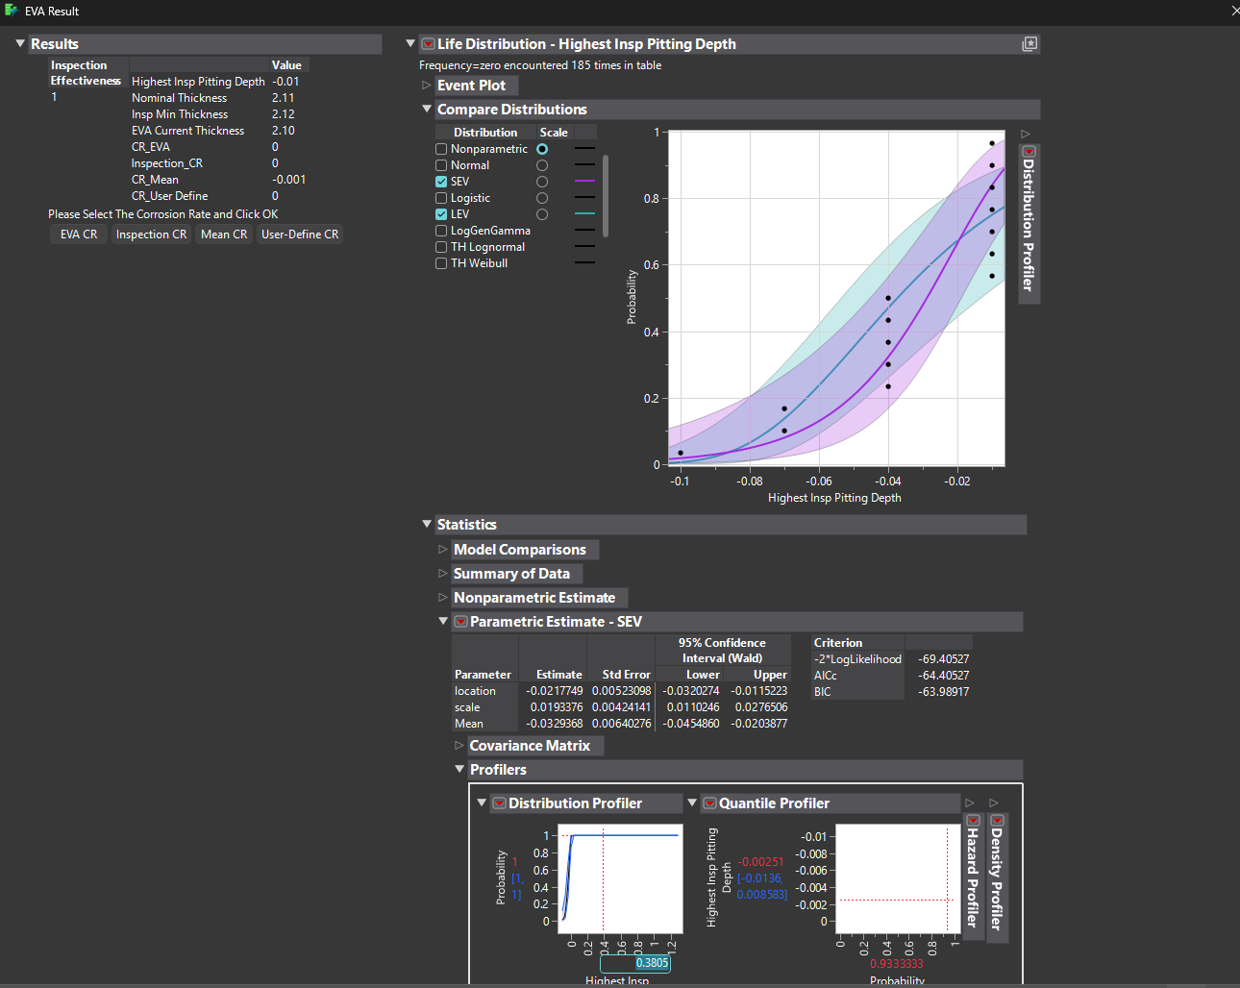
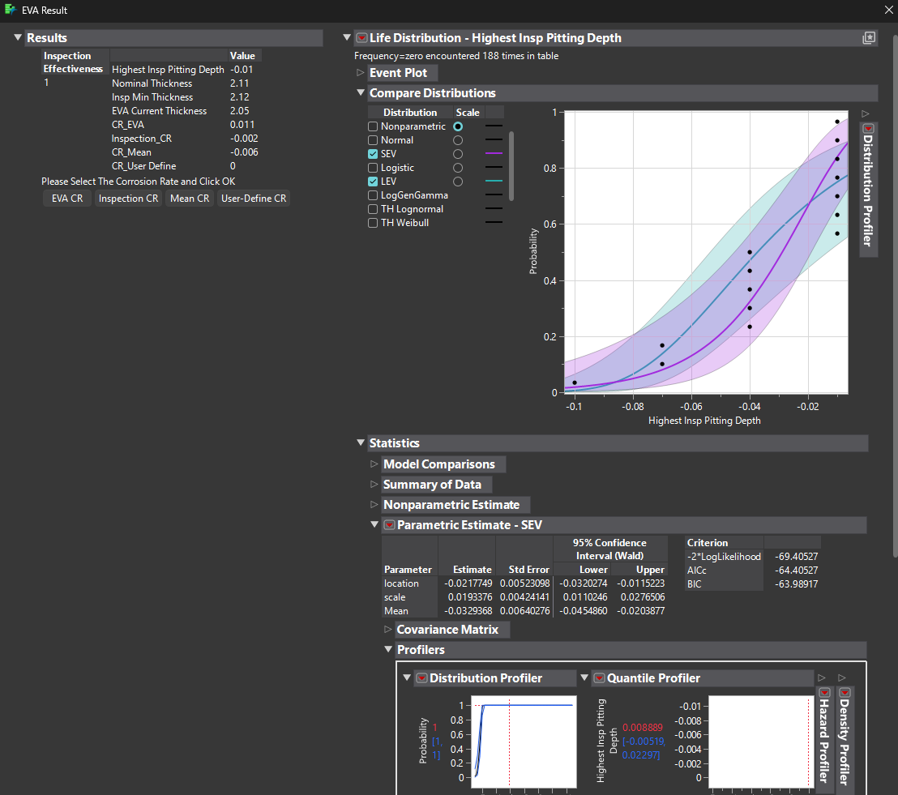
Thickness | Below 10% | 10 - 19% | 20 - 29% | 30 - 39% | 40 - 49% | 50 - 59% | >60% | Blocked | Plugged
2.12 | 0 | 0 | 0 | 0 | 0 | 0 | 0 | 0 | 0 | With start up year 1980 | With start up year 2010
2.15 |  |  |  | Total Tubes | 132
2.12 |  |  |  | Inspected Tubes | 15
2.15
2.18
2.15
2.15
2.18
2.12
2.21
2.12
2.12
2.12
2.12
2.15

1E-1182B
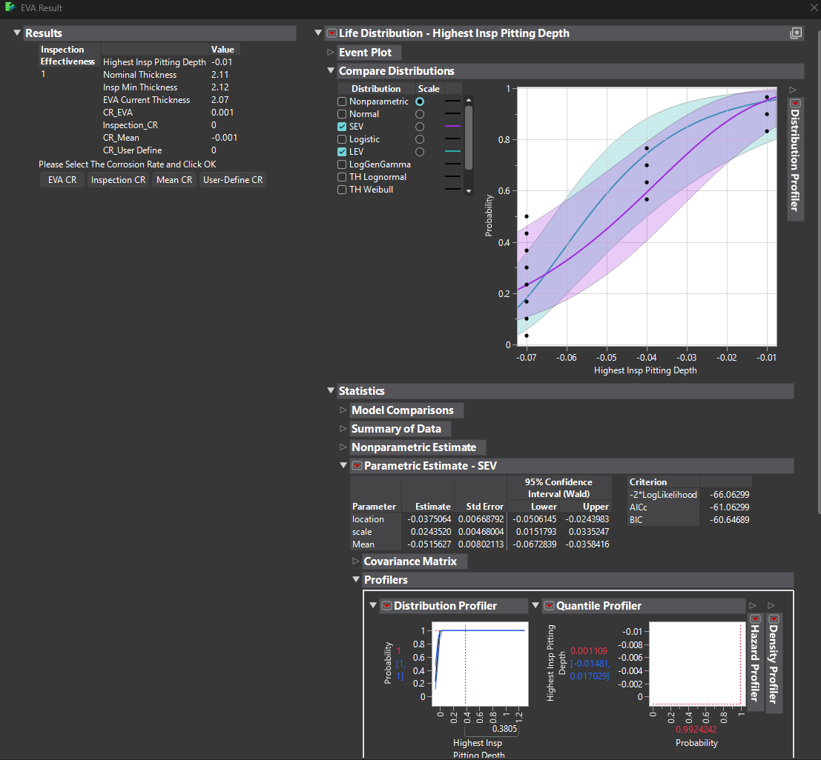
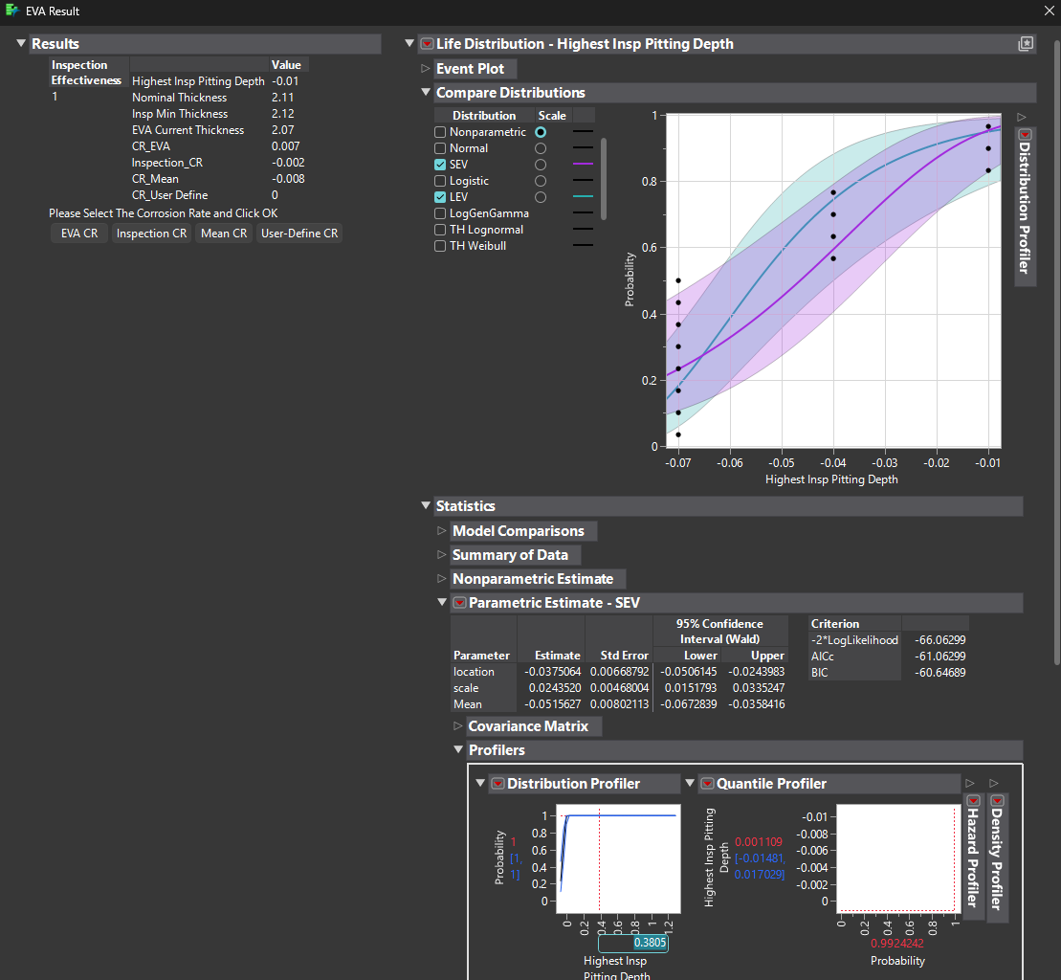
Thickness | Below 10% | 10 - 19% | 20 - 29% | 30 - 39% | 40 - 49% | 50 - 59% | >60% | Blocked | Plugged
2.15 | 0 | 0 | 0 | 0 | 0 | 0 | 0 | 0 | 0 | 1980
2.12 |  |  |  | Total Tubes | 132
2.15 |  |  |  | Inspected Tubes | 15
2.18
2.18
2.15
2.18
2.18
2.18
2.18
2.12
2.15
2.18
2.18
2.12

1E-1201B
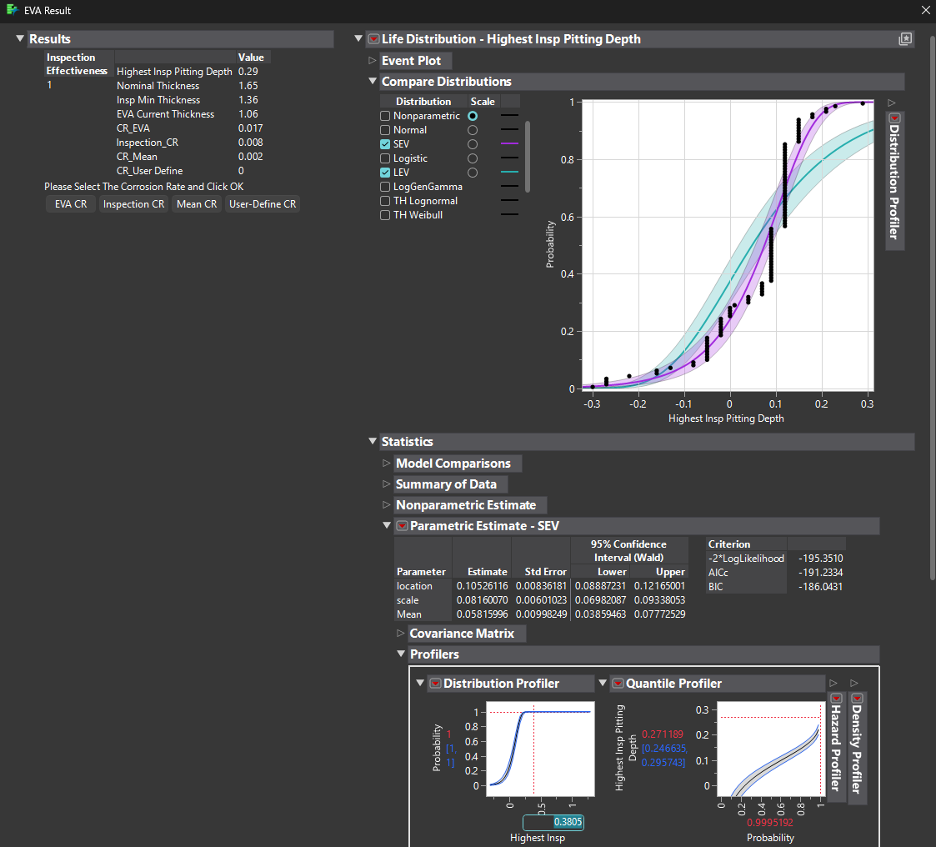
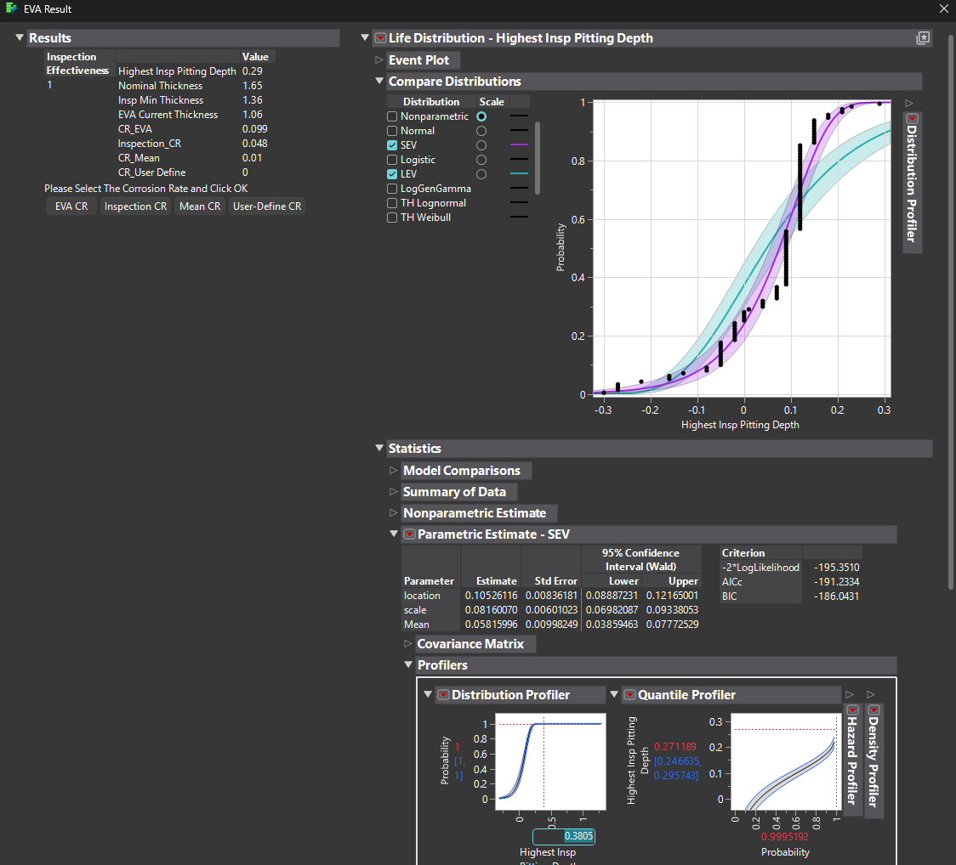
Thickness | Below 10% | 10 - 19% | 20 - 29% | 30 - 39% | 40 - 49% | 50 - 59% | >60% | Blocked | Plugged
1.53 | 0 | 65 | 0 | 0 | 0 | 0 | 0 | 1 | 0
1.56 |  |  |  | Total Tubes | 2080
1.53 |  |  |  | Inspected Tubes | 105
1.58
1.53
1.5
1.56
1.56
1.65
1.56
1.53
1.53
1.53
1.53
1.53
1.5
1.56
1.56
1.56
1.53
1.5
1.58
1.56
1.64
1.67
1.56
1.53
1.5
1.53
1.53
1.5
1.53
1.53
1.53
1.56
1.53
1.53
1.61
1.53
1.5
1.7
1.53
1.53
1.53
1.53
1.56
1.5
1.53
1.53
1.56
1.56
1.56
1.53
1.36
1.42
1.56
1.7
1.67
1.5
1.56
1.7
1.65
1.65
1.53
1.44
1.56
1.78
1.61
1.58
1.61
1.7
1.7
1.47
1.58
1.7
1.56
1.7
1.53
1.67
1.67
1.53
1.65
1.47
1.53
1.56
1.5
1.73
1.7
1.53
1.53
1.81
1.87
1.92
1.67
1.73
1.44
1.56
1.58
1.92
1.7
1.67
1.95
1.81
1.92
1.67

1E-1202B
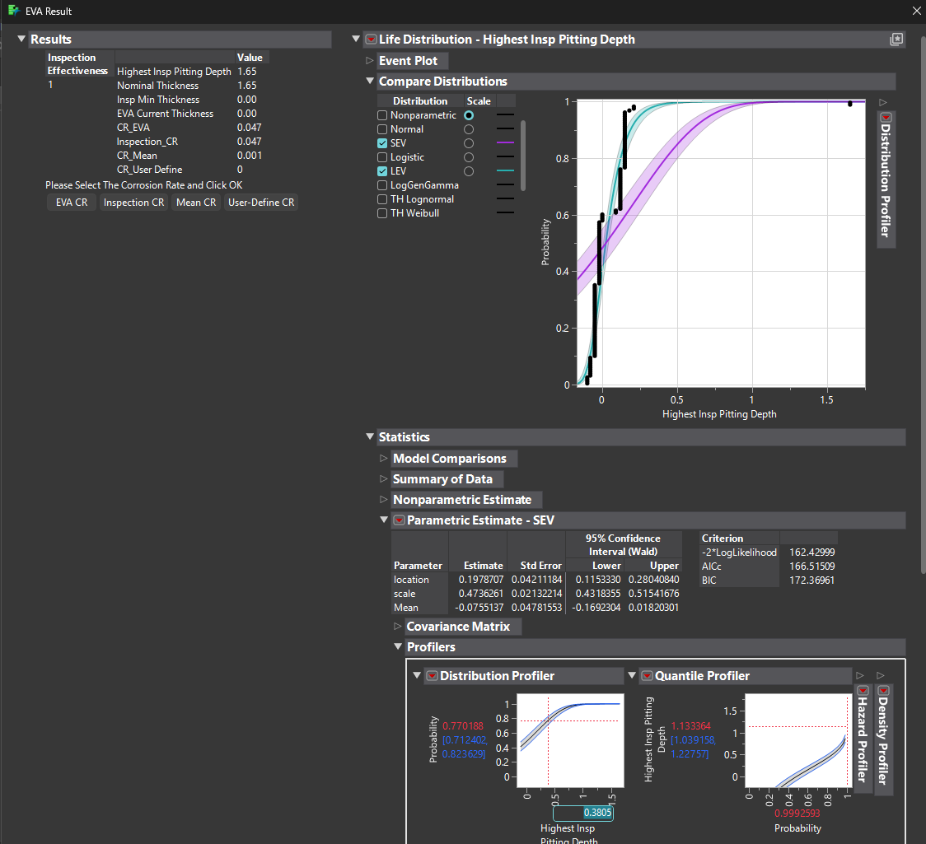
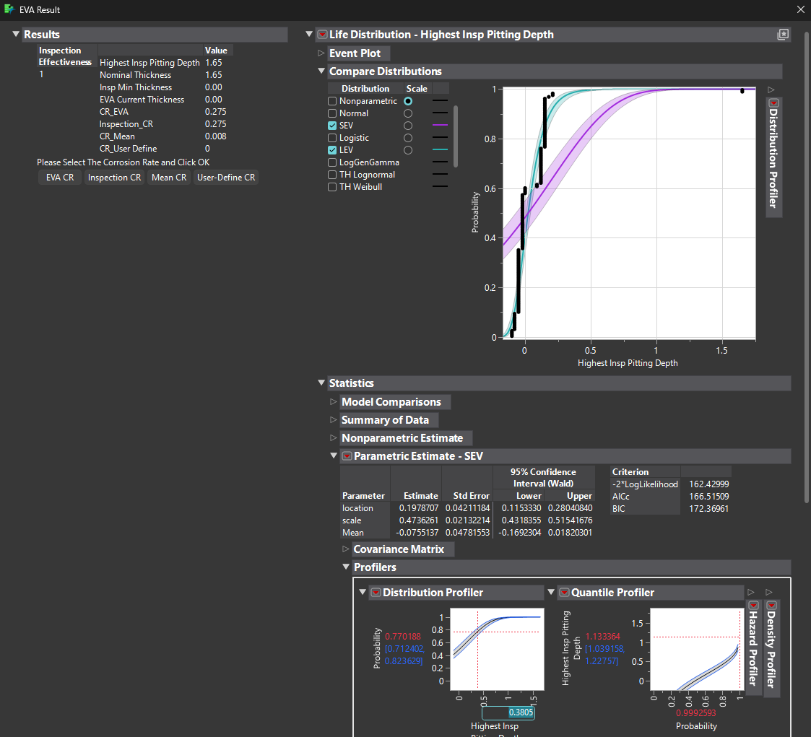
Thickness | Below 10% | 10 - 19% | 20 - 29% | 30 - 39% | 40 - 49% | 50 - 59% | >60% | Blocked | Plugged
1.67 | 0 | 55 | 0 | 0 | 0 | 0 | 0 | 2 | 0
1.7 |  |  |  | Total Tubes | 1350
1.67 |  |  |  | Inspected Tubes | 135
1.67
1.67
1.7
1.67
1.67
1.7
1.67
1.73
1.7
1.67
1.67
1.67
1.67
1.53
1.5
1.5
1.7
1.5
1.5
1.5
1.67
1.67
1.5
1.73
1.53
1.67
1.5
1.44
1.53
1.5
1.5
1.53
1.5
1.7
1.53
1.53
1.53
1.56
1.53
1.5
1.53
1.53
1.67
1.67
1.67
1.67
1.7
1.67
1.67
1.53
1.7
1.5
1.73
1.67
1.67
1.67
1.67
1.53
1.67
1.67
1.5
1.65
1.5
1.5
1.67
1.73
1.53
1.73
1.73
1.7
1.73
1.44
1.7
1.7
1.7
1.67
1.67
1.65
1.7
1.53
1.5
1.5
1.53
1.7
1.53
1.53
1.5
1.5
1.53
1.5
1.67
1.7
1.7
1.67
1.7
1.7
1.7
1.7
1.75
1.7
1.73
1.5
1.56
1.5
1.7
1.47
1.5
1.53
0
1.73
0
1.7
1.5
1.5
1.53
1.53
1.7
1.7
1.5
1.65
1.7
1.5
1.7
1.7
1.7
1.7
1.65
1.7
1.75
1.75
1.7
1.7
1.7
1.75
1.5
1.7
1.5
1.67
1.73
1.7
1.7

1E-1202C
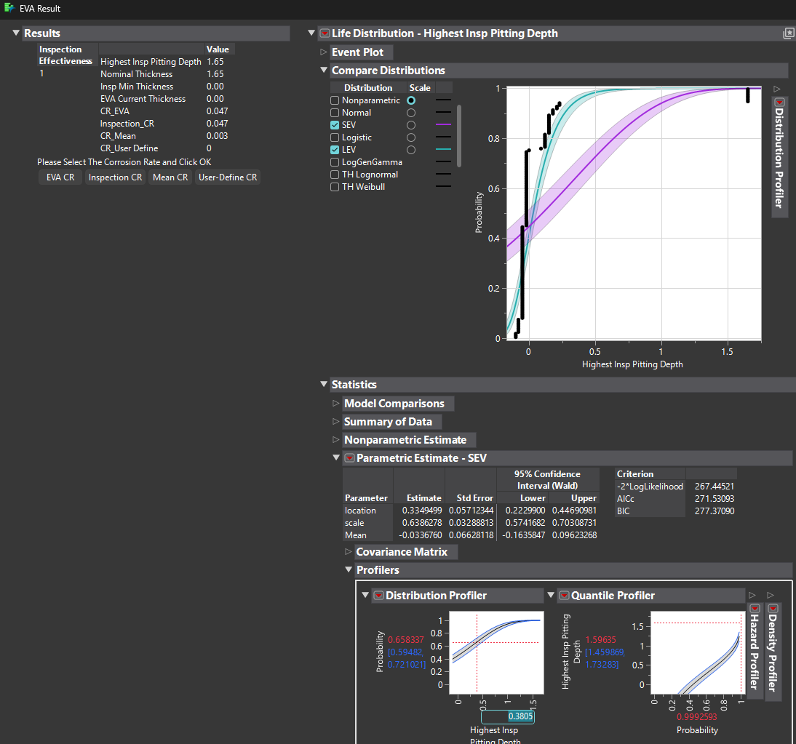
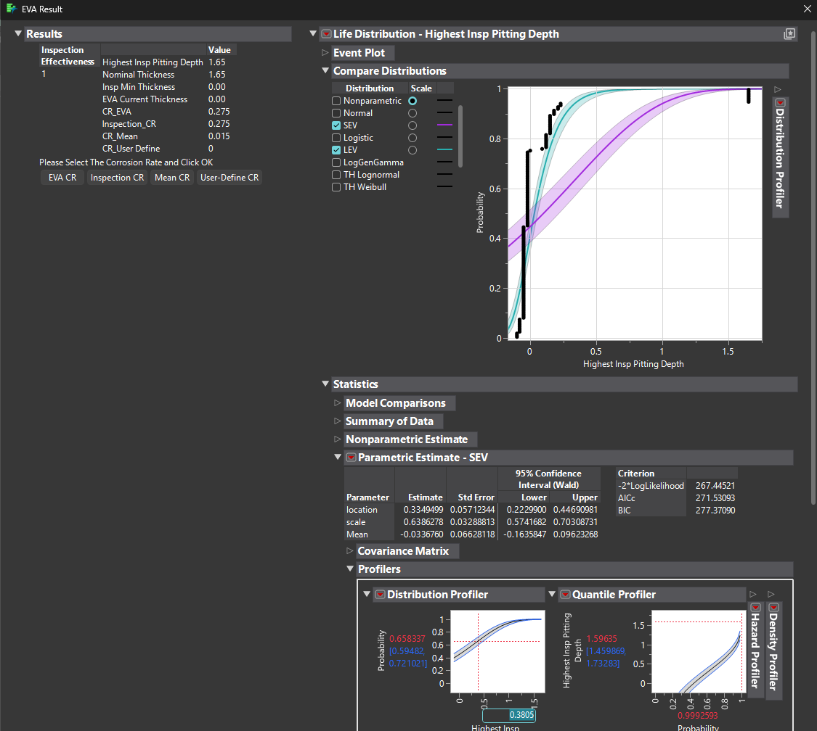
Thickness | Below 10% | 10 - 19% | 20 - 29% | 30 - 39% | 40 - 49% | 50 - 59% | >60% | Blocked | Plugged
1.7 | 0 | 27 | 0 | 0 | 0 | 0 | 0 | 8 | 0
1.67 |  |  |  | Total Tubes | 1350
1.67 |  |  |  | Inspected Tubes | 143
1.75
1.7
1.7
1.7
1.73
1.53
1.7
1.5
1.7
1.7
1.67
1.7
1.7
1.7
1.7
1.7
0
1.53
0
1.47
1.7
1.5
1.42
1.7
1.7
1.7
1.7
1.7
1.67
1.67
1.67
1.53
1.67
1.67
1.7
1.73
1.7
1.7
1.67
1.7
1.73
1.67
1.73
1.7
1.7
1.7
1.7
1.7
1.73
1.67
1.7
1.73
1.73
1.7
1.7
1.67
1.7
1.67
1.67
1.67
0
1.67
1.67
1.75
1.7
1.67
1.7
1.7
1.7
1.67
1.67
1.67
1.7
1.67
1.7
1.67
1.65
1.5
1.67
1.7
1.5
1.75
1.7
1.7
1.5
1.73
1.7
0
1.44
1.7
1.5
1.56
1.5
1.5
1.67
1.67
1.42
1.7
1.67
1.7
1.5
0
1.7
1.7
1.67
1.67
1.7
0
1.67
1.7
1.7
1.7
1.67
1.7
1.5
1.5
0
1.67
1.47
1.67
1.44
1.67
1.67
1.67
1.47
1.67
1.53
1.67
1.53
1.67
1.53
1.7
0
1.53
1.7
1.67
1.53
1.67
1.67
1.67

1E-1203
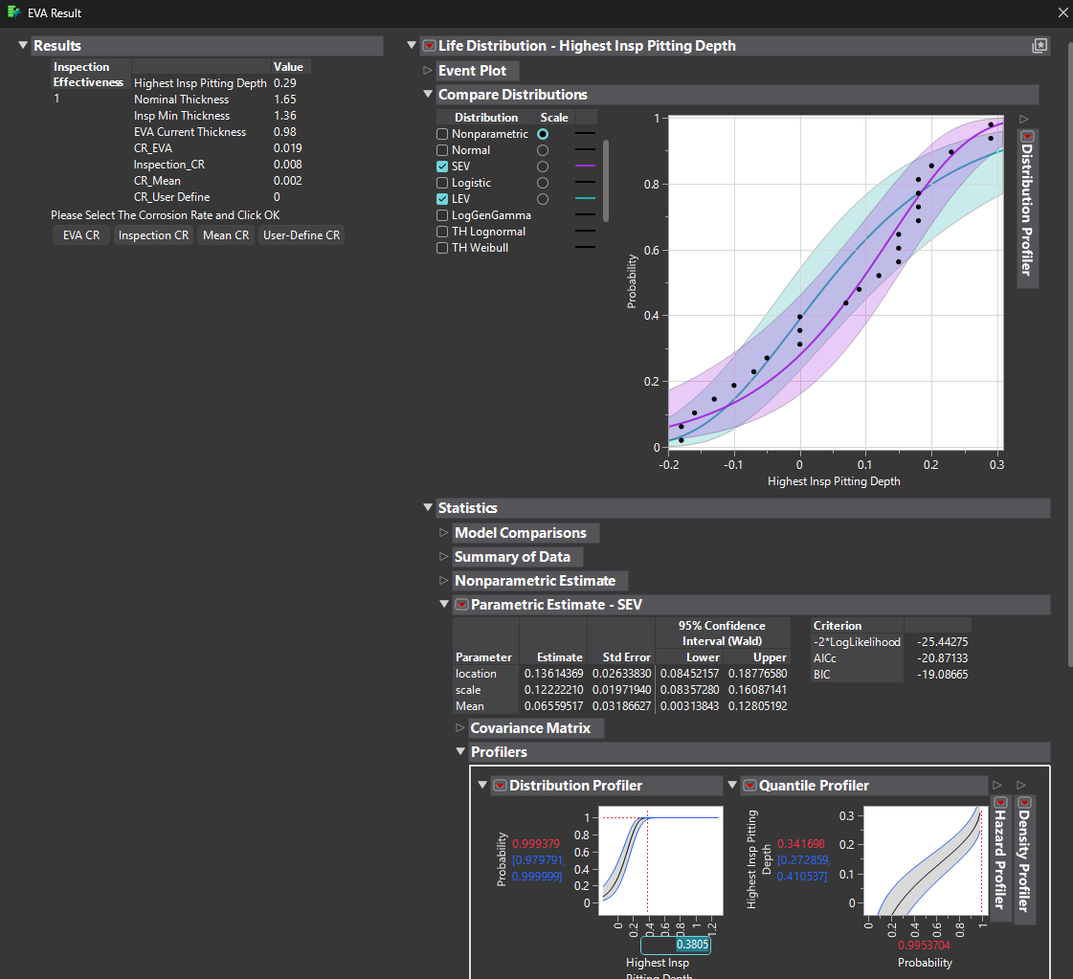
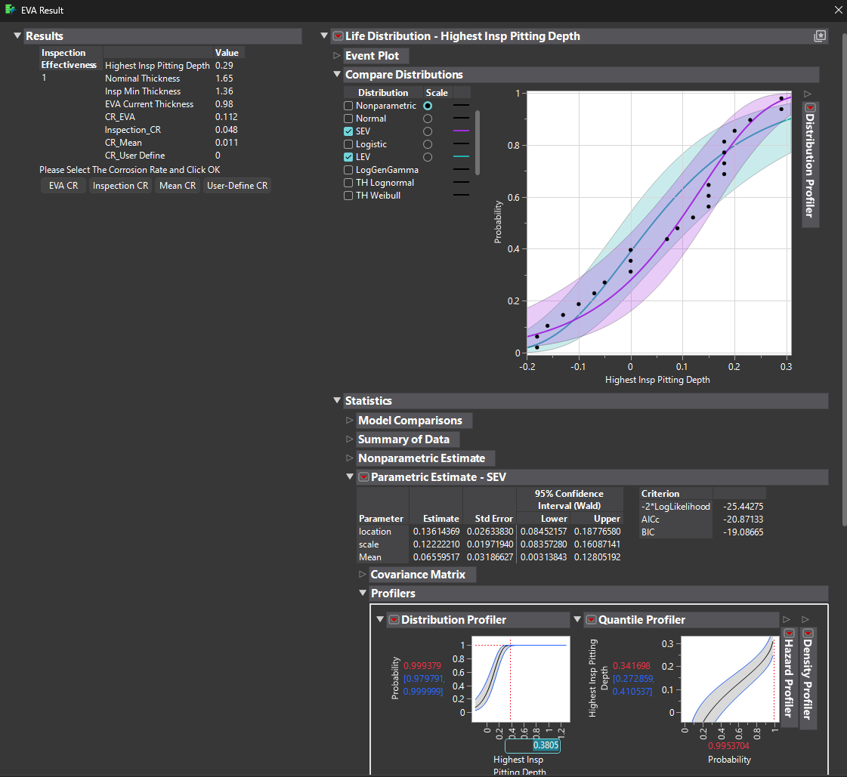
Thickness | Below 10% | 10 - 19% | 20 - 29% | 30 - 39% | 40 - 49% | 50 - 59% | >60% | Blocked | Plugged
1.36 | 0 | 14 | 0 | 0 | 0 | 0 | 0 | 0 | 0
1.5 |  |  |  | Total Tubes | 216
1.47 |  |  |  | Inspected Tubes | 24
1.5
1.42
1.47
1.47
1.56
1.65
1.36
1.45
1.78
1.81
1.83
1.7
1.47
1.53
1.5
1.75
1.83
1.65
1.58
1.65
1.72

1E-1216A
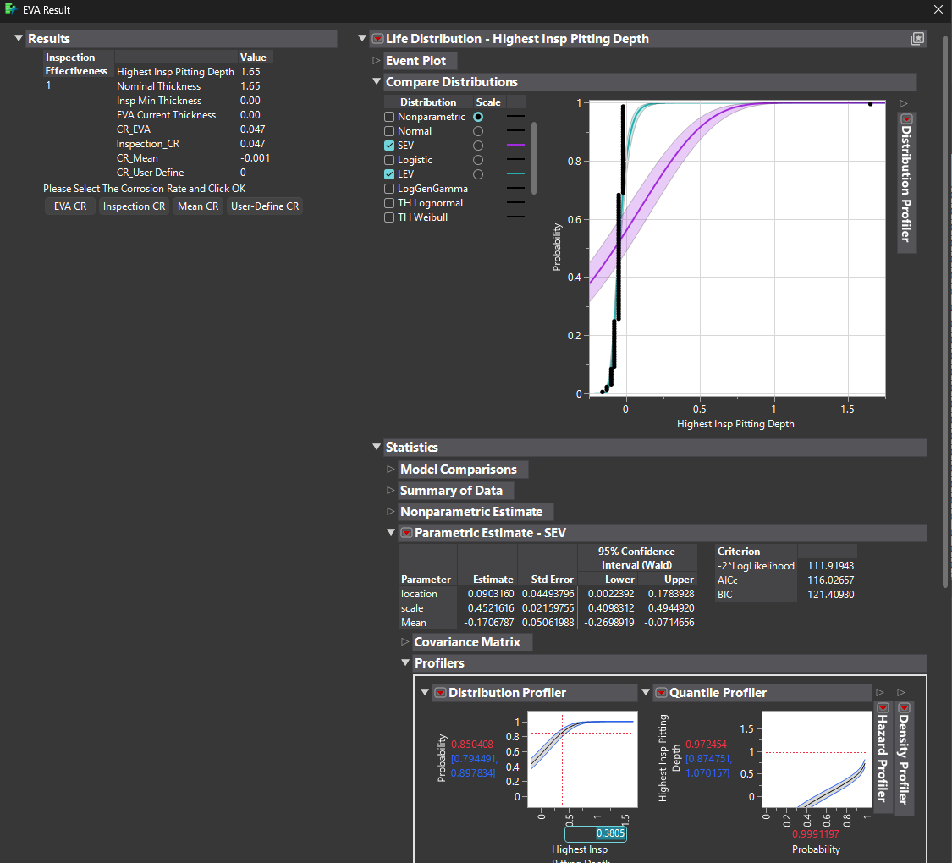
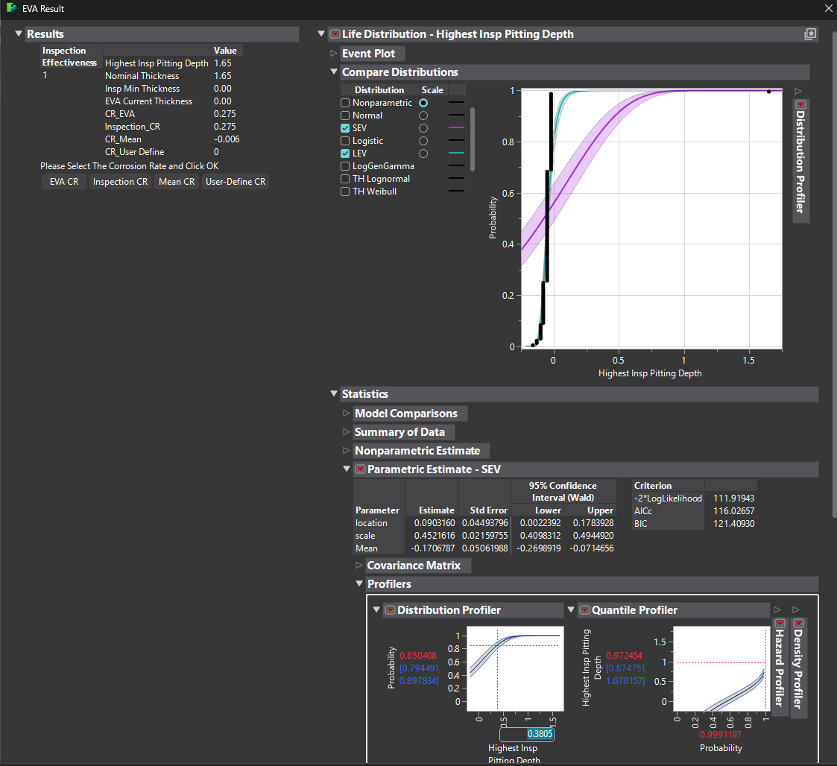
Thickness | Below 10% | 10 - 19% | 20 - 29% | 30 - 39% | 40 - 49% | 50 - 59% | >60% | Blocked | Plugged
1.7 | 0 | 0 | 0 | 0 | 0 | 0 | 0 | 1 | 0
1.73 |  |  |  | Total Tubes | 1136
1.7 |  |  |  | Inspected Tubes | 114
1.7
1.73
1.7
1.67
1.7
1.67
1.67
1.73
1.7
1.67
1.75
1.67
1.7
1.7
1.7
1.67
1.73
1.7
1.7
1.7
1.7
1.67
1.67
1.7
1.67
1.67
1.67
1.7
1.7
1.67
1.73
1.7
1.7
1.67
1.7
1.67
1.67
1.73
1.7
1.7
1.73
1.75
1.67
1.73
1.75
0
1.75
1.7
1.7
1.7
1.7
1.67
1.73
1.67
1.73
1.7
1.7
1.67
1.7
1.75
1.67
1.73
1.73
1.67
1.7
1.73
1.7
1.7
1.7
1.7
1.7
1.67
1.7
1.67
1.67
1.67
1.7
1.67
1.7
1.7
1.81
1.73
1.78
1.7
1.67
1.7
1.75
1.67
1.73
1.67
1.67
1.78
1.75
1.7
1.7
1.67
1.67
1.67
1.73
1.7
1.73
1.7
1.7
1.7
1.67
1.67
1.7
1.7
1.7
1.73
1.73
1.7

1E-3011
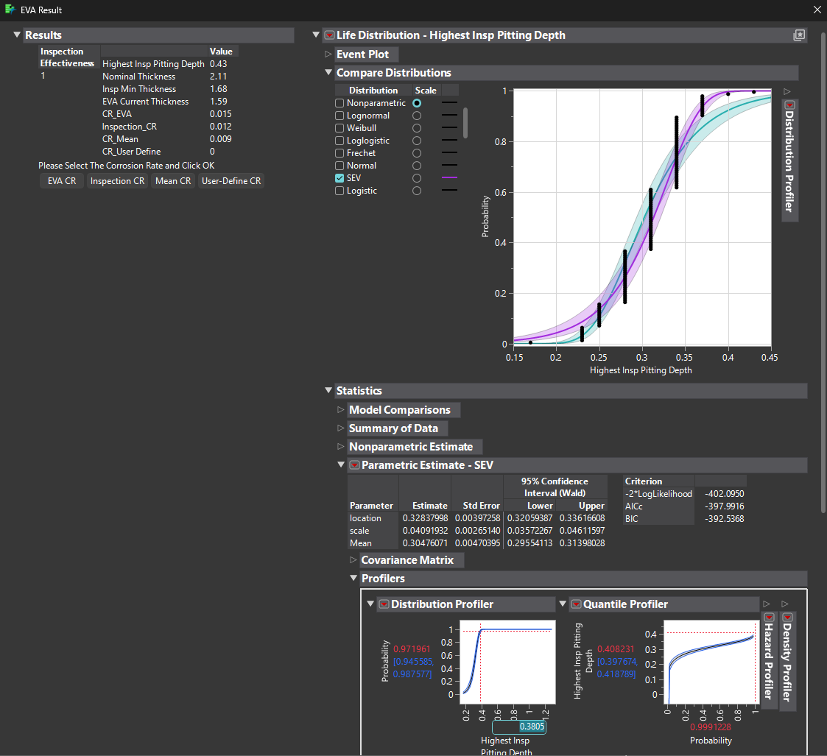
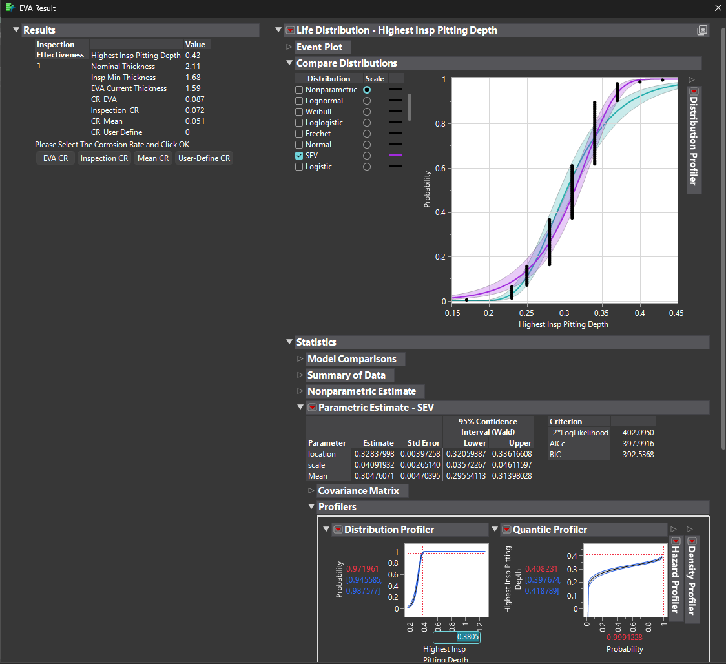
Thickness | Below 10% | 10 - 19% | 20 - 29% | 30 - 39% | 40 - 49% | 50 - 59% | >60% | Blocked | Plugged
1.94 | 0 | 119 | 0 | 0 | 0 | 0 | 0 | 0 | 0
1.88 |  |  |  | Total Tubes | 1140
1.8 |  |  |  | Inspected Tubes | 119
1.83
1.86
1.86
1.88
1.8
1.86
1.8
1.8
1.8
1.86
1.83
1.77
1.86
1.88
1.8
1.77
1.77
1.83
1.8
1.83
1.86
1.74
1.83
1.83
1.8
1.83
1.8
1.77
1.71
1.83
1.8
1.83
1.83
1.8
1.77
1.77
1.77
1.8
1.77
1.8
1.83
1.8
1.83
1.86
1.77
1.83
1.8
1.83
1.8
1.74
1.77
1.8
1.74
1.68
1.74
1.86
1.83
1.88
1.77
1.74
1.83
1.88
1.8
1.86
1.77
1.83
1.74
1.83
1.83
1.77
1.86
1.77
1.77
1.77
1.8
1.77
1.8
1.83
1.77
1.77
1.77
1.77
1.77
1.8
1.77
1.77
1.77
1.77
1.8
1.74
1.77
1.8
1.88
1.77
1.77
1.74
1.74
1.83
1.77
1.8
1.83
1.77
1.8
1.77
1.83
1.77
1.83
1.77
1.86
1.8
1.8
1.88
1.8
1.83
1.74
1.8

1E-3012
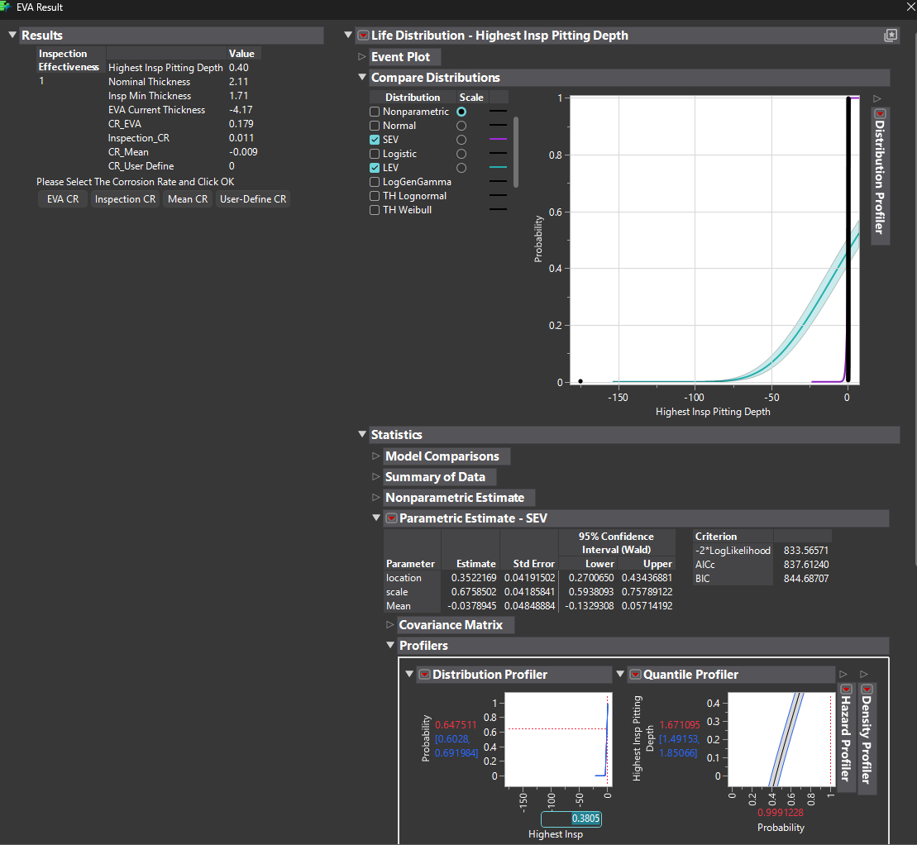
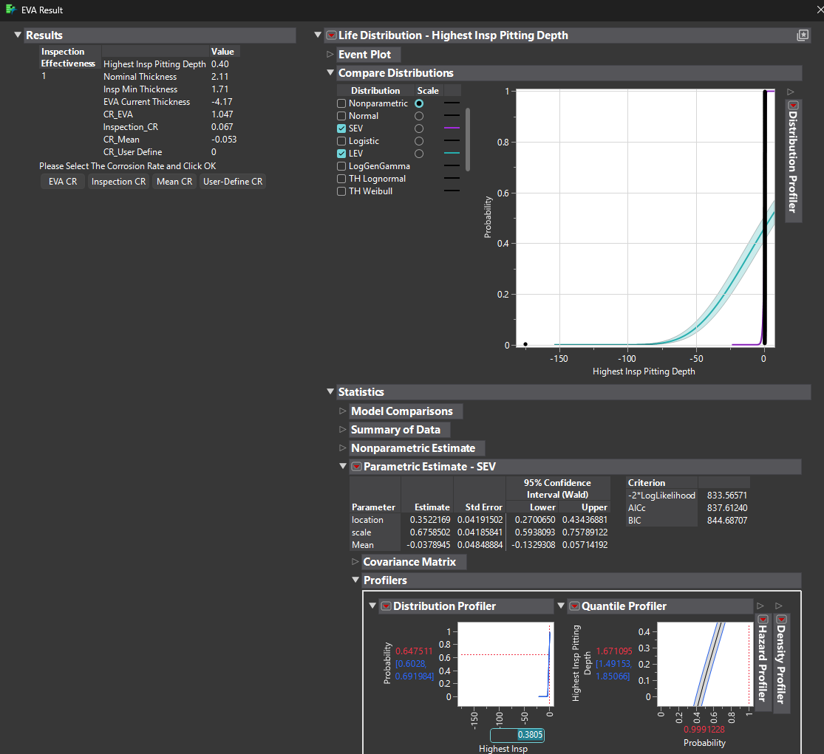
Thickness | Below 10% | 10 - 19% | 20 - 29% | 30 - 39% | 40 - 49% | 50 - 59% | >60% | Blocked | Plugged
1.71 | 0 | 260 | 0 | 0 | 0 | 0 | 0 | 0 | 0
1.8 |  |  |  | Total Tubes | 1140
1.8 |  |  |  | Inspected Tubes | 260
1.77
1.77
1.8
1.74
1.77
1.77
1.77
1.8
1.77
1.77
1.77
1.77
1.71
1.77
1.85
1.82
1.71
177
1.74
1.71
1.71
1.74
1.82
1.71
1.74
1.8
1.74
1.74
1.74
1.74
1.71
1.8
1.77
1.77
1.71
1.74
1.74
1.71
1.74
1.82
1.77
1.77
1.71
1.8
1.77
1.71
1.74
1.77
1.8
1.77
1.8
1.71
1.74
1.77
1.8
1.85
1.85
1.88
1.8
1.71
1.88
1.74
1.71
1.74
1.74
1.71
1.71
1.74
1.71
1.74
1.77
1.74
1.71
1.74
1.74
1.71
1.71
1.71
1.71
1.74
1.77
1.77
1.71
1.71
1.74
1.71
1.74
1.77
1.71
1.74
1.74
1.77
1.77
1.74
1.74
1.77
1.77
1.77
1.71
1.71
1.8
1.71
1.77
1.74
1.8
1.71
1.71
1.71
1.71
1.8
1.77
1.77
1.71
1.77
1.77
1.74
1.74
1.77
1.8
1.71
1.77
1.74
1.74
1.74
1.77
1.77
1.77
1.74
1.8
1.74
1.8
1.85
1.85
1.8
1.77
1.77
1.8
1.77
1.8
1.77
1.77
1.77
1.77
1.74
1.8
1.71
1.74
1.77
1.71
1.77
1.82
1.8
1.77
1.77
1.77
1.77
1.77
1.8
1.77
1.77
1.77
1.71
1.77
1.77
1.8
1.74
1.74
1.71
1.77
1.74
1.74
1.8
1.8
1.77
1.8
1.8
1.74
1.74
1.8
1.71
1.77
1.77
1.8
1.8
1.77
1.77
1.77
1.77
1.8
1.77
1.82
1.71
1.77
1.77
1.71
1.77
1.74
1.71
1.71
1.77
1.74
1.71
1.74
1.74
1.74
1.71
1.71
1.74
1.74
1.77
1.71
1.74
1.71
1.71
1.71
1.71
1.71
1.74
1.77
1.71
1.71
1.74
1.71
1.71
1.71
1.74
1.77
1.77
1.77
1.71
1.71
1.77
1.71
1.77
1.71
1.77
1.77
1.77
1.77
1.77
1.8
1.77
1.77
1.77
1.77
1.77
1.77
1.74
1.77
1.77
1.77
1.77
1.77
1.77
1.71
1.77
1.77

1E-3162
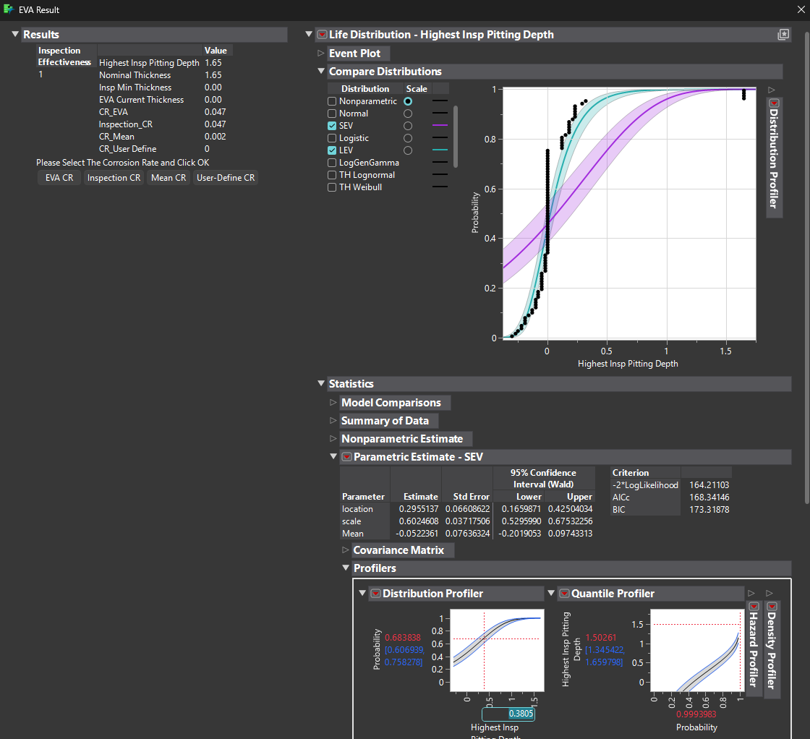
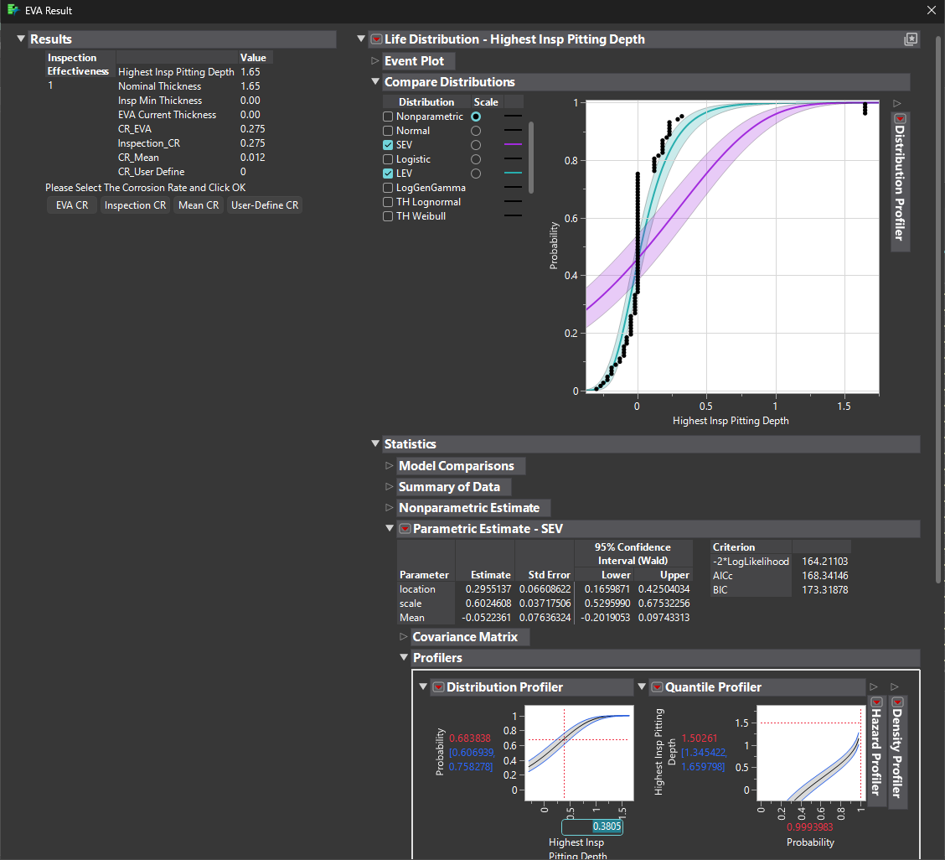
Thickness | Below 10% | 10 - 19% | 20 - 29% | 30 - 39% | 40 - 49% | 50 - 59% | >60% | Blocked | Plugged
1.36 | 0 | 0 | 65 | 25 | 0 | 0 | 0 | 4 | 0
1.42 |  |  |  | Total Tubes | 1662
1.67 |  |  |  | Inspected Tubes | 96
1.5
1.7
1.47
1.84
1.78
1.75
1.67
1.67
1.65
1.65
1.42
1.65
1.65
1.47
1.87
0
1.65
1.53
0
1.95
1.47
1.65
0
1.65
1.65
1.65
1.67
1.53
1.53
1.7
1.67
1.7
1.44
1.53
1.65
1.47
1.7
1.65
1.65
1.92
1.75
1.65
1.65
1.75
1.73
1.65
1.67
1.65
1.73
1.65
1.65
1.87
1.65
1.65
1.65
1.65
1.65
1.9
1.84
1.65
1.7
1.75
1.65
1.7
1.65
1.7
1.42
1.65
1.65
1.65
1.84
1.73
1.65
1.65
1.65
1.42
1.47
1.65
1.65
1.65
1.65
1.65
1.33
1.65
1.53
1.67
1.42
1.65
1.81
1.65
1.78
0

1E-8111A
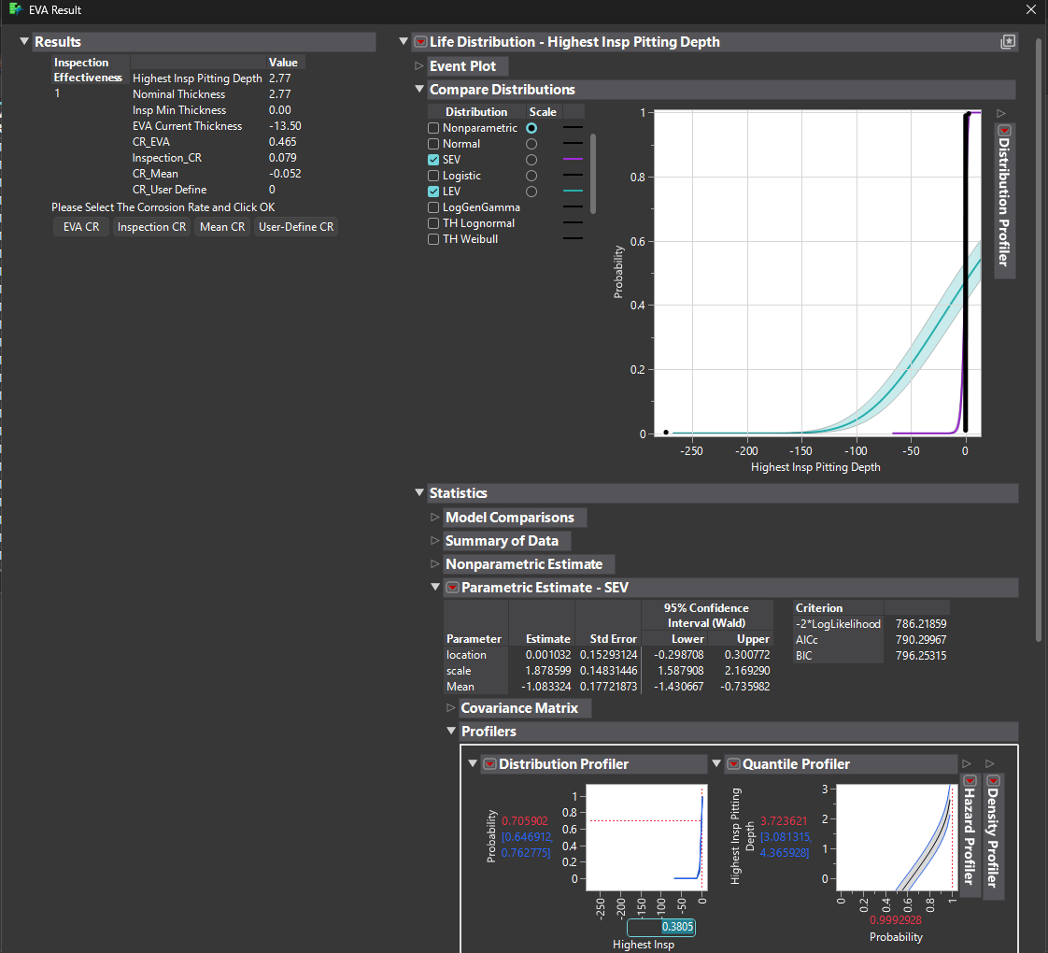
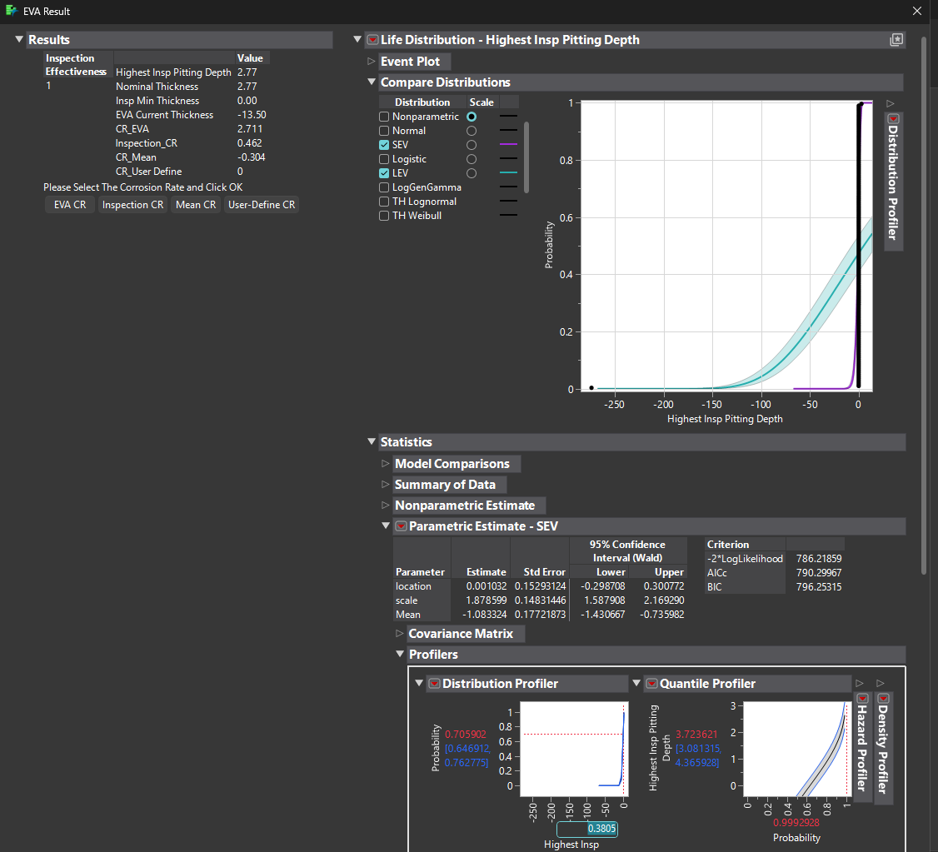
Thickness | Below 10% | 10 - 19% | 20 - 29% | 30 - 39% | 40 - 49% | 50 - 59% | >60% | Blocked | Plugged
2.77 | 0 | 0 | 0 | 0 | 0 | 0 | 0 | 1 | 0
2.8 |  |  |  | Total Tubes | 1414
2.77 |  |  |  | Inspected Tubes | 151
2.77
2.77
2.8
2.77
2.77
2.86
2.77
2.8
2.83
2.8
2.77
2.77
2.77
2.77
2.83
2.77
2.83
2.83
2.83
2.83
2.83
2.8
0
2.77
2.77
2.77
2.77
2.8
2.77
2.83
2.8
2.8
2.77
2.8
2.8
2.83
2.8
2.83
2.8
2.77
2.83
2.77
2.8
2.8
2.83
2.77
2.83
2.8
2.8
2.8
2.83
2.77
2.83
2.77
2.83
2.77
2.77
2.8
2.83
2.77
2.8
277
2.83
2.83
2.77
2.8
2.77
2.77
2.77
2.77
2.83
2.77
2.77
2.8
2.83
2.77
2.8
2.8
2.77
2.8
2.83
2.8
2.8
2.8
2.8
2.8
2.83
2.83
2.83
2.8
2.8
2.83
2.8
2.83
2.8
2.77
2.8
2.8
2.8
2.8
2.8
2.77
2.83
2.83
2.8
2.77
2.8
2.8
2.77
2.8
2.8
2.77
2.8
2.77
2.77
2.8
2.83
2.77
2.8
2.83
2.8
2.8
2.83
2.83
2.83
2.8
2.83
2.83
2.83
2.83
2.8
2.8
2.77
2.8
2.83
2.8
2.8
2.8
2.77
2.8
2.83
2.77
2.83
2.8
2.8
2.77
2.77
2.83

1E-8401C
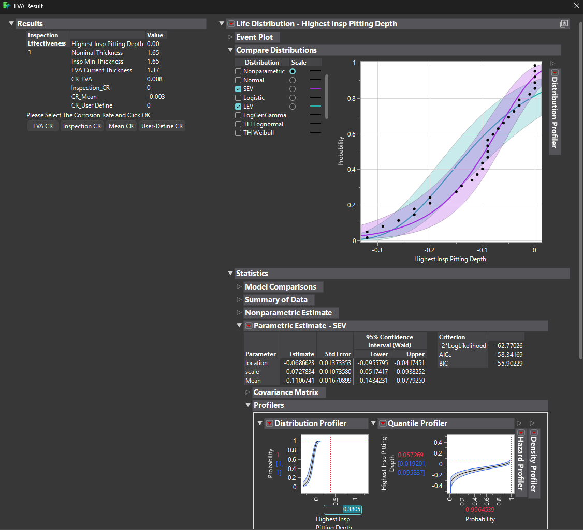
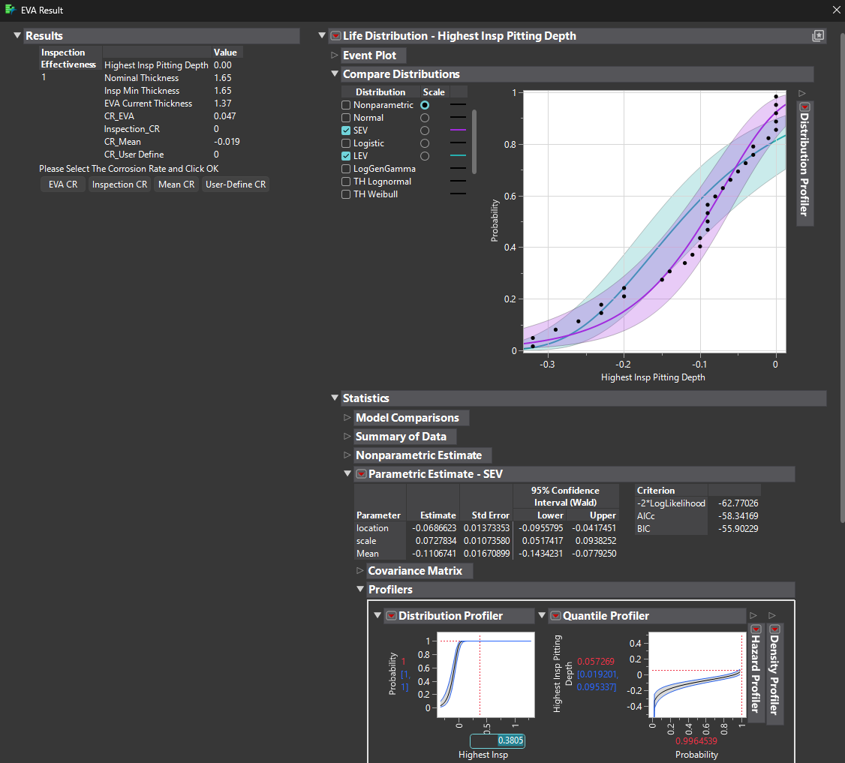
Thickness | Below 10% | 10 - 19% | 20 - 29% | 30 - 39% | 40 - 49% | 50 - 59% | >60% | Blocked | Plugged
1.88 | 0 | 0 | 0 | 0 | 0 | 0 | 0 | 0 | 0
1.74 |  |  |  | Total Tubes | 282
1.8 |  |  |  | Inspected Tubes | 31
1.65
1.73
1.65
1.65
1.72
1.94
1.97
1.85
1.85
1.66
1.97
1.71
1.7
1.68
1.79
1.74
1.91
1.65
1.76
1.75
1.68
1.74
1.69
1.75
1.77
1.65
1.88
1.74

1E-8401D
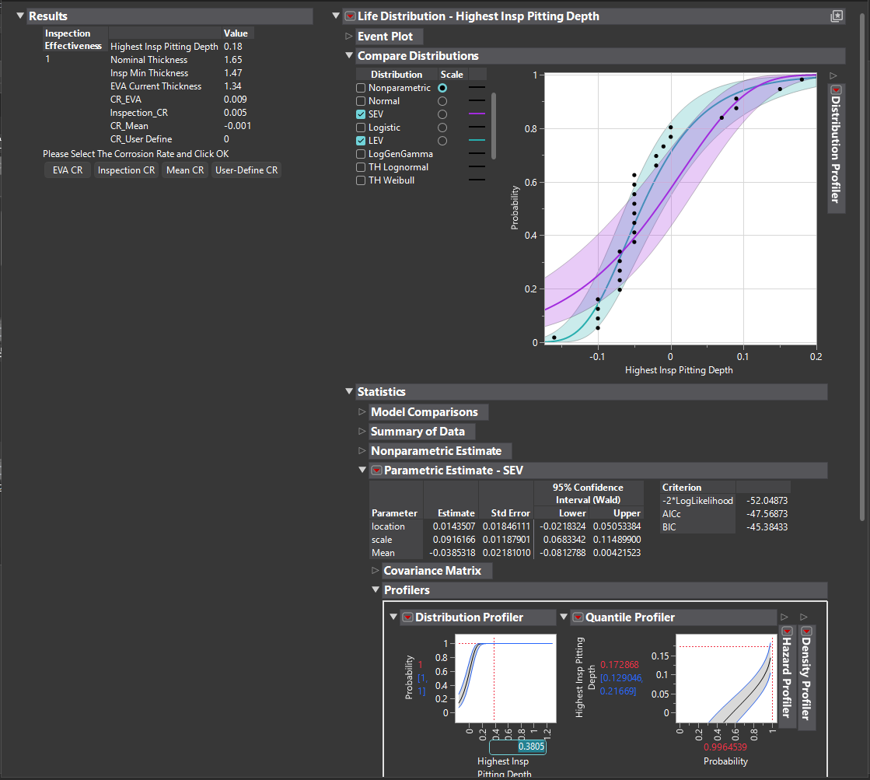
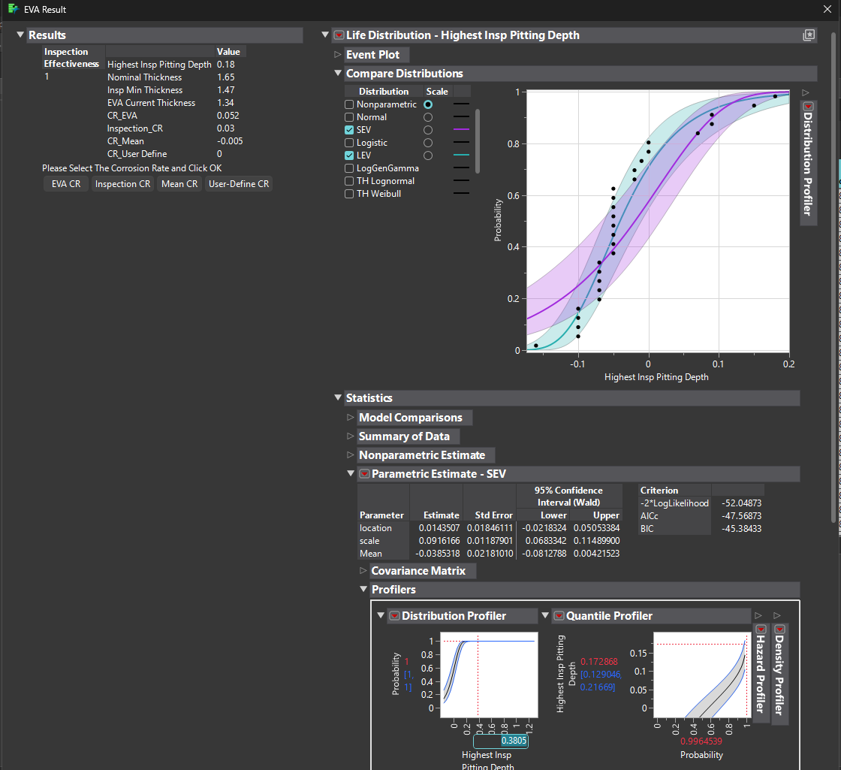
Thickness | Below 10% | 10 - 19% | 20 - 29% | 30 - 39% | 40 - 49% | 50 - 59% | >60% | Blocked | Plugged
1.65 | 0 | 0 | 0 | 0 | 0 | 0 | 0 | 0 | 0
1.66 |  |  |  | Total Tubes | 282
1.81 |  |  |  | Inspected Tubes | 28
1.7
1.72
1.72
1.56
1.58
1.47
1.5
1.72
1.56
1.7
1.75
1.67
1.7
1.72
1.7
1.7
1.67
1.75
1.7
1.7
1.75
1.72
1.7
1.75
1.65

1E-8406


Thickness | Below 10% | 10 - 19% | 20 - 29% | 30 - 39% | 40 - 49% | 50 - 59% | >60% | Blocked | Plugged
2.44 | 0 | 0 | 0 | 0 | 0 | 0 | 0 | 0 | 0
2.47 |  |  |  | Total Tubes | 40
2.44 |  |  |  | Inspected Tubes | 10
2.62
2.5
2.65
2.5
2.41
2.5
2.5

